Filter 1
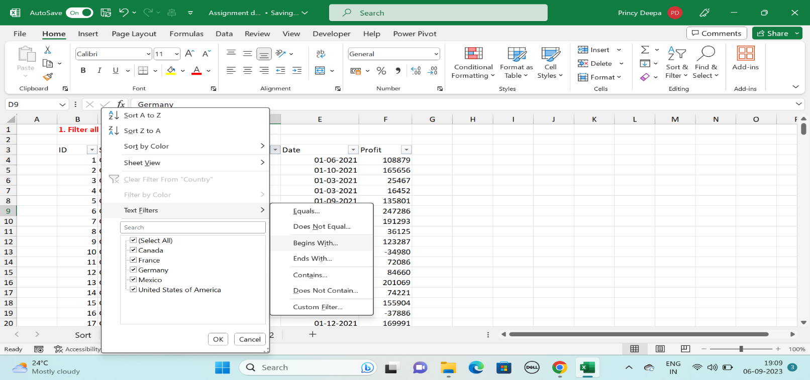
1. Filter all the Country name starts with letter "F"

ID | Segment | Country | Date | Profit
2 | Government | France | 2021-10-01 | 165656
3 | Government | France | 2021-03-01 | 25467
5 | Government | France | 2021-09-01 | 135801
13 | Government | France | 2021-12-01 | 201069
25 | Channel Partners | France | 2021-09-01 | 60921
26 | Enterprise | France | 2021-01-01 | 180969
31 | Channel Partners | France | 2021-08-01 | 87532
32 | Small Business | France | 2021-12-01 | 82089
34 | Midmarket | France | 2021-07-01 | 57399
47 | Government | France | 2021-01-01 | 48442
49 | Government | France | 2021-11-01 | 146394
56 | Government | France | 2021-06-01 | 137843
57 | Government | France | 2021-07-01 | 96209
63 | Government | France | 2021-06-01 | 7110
79 | Government | France | 2021-06-01 | 234786
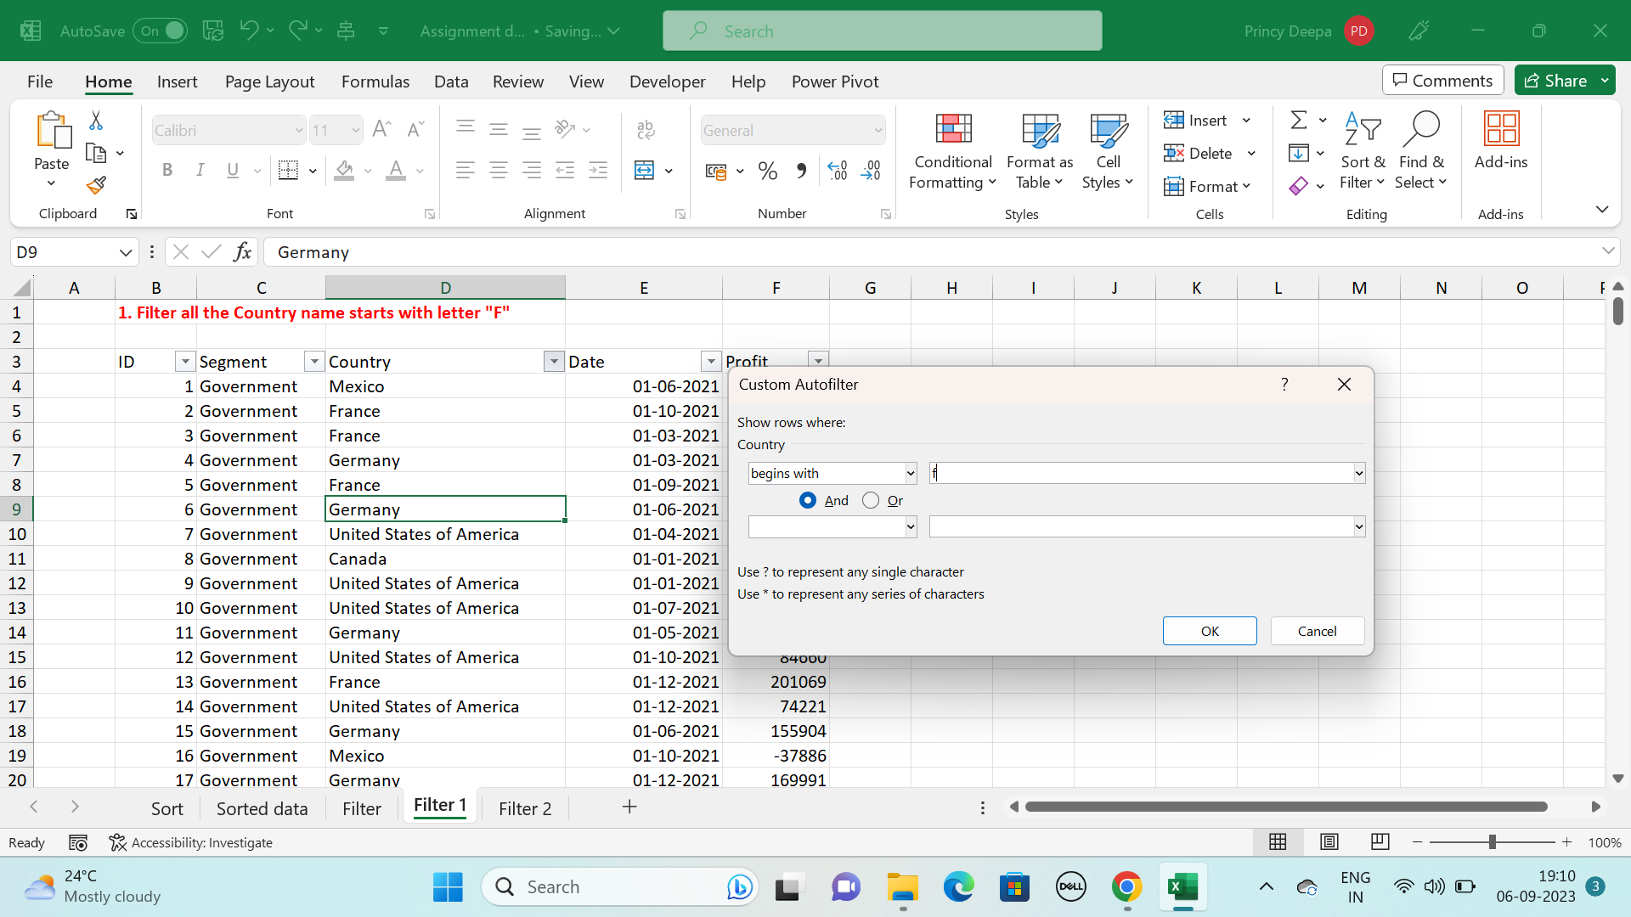
83 | Midmarket | France | 2021-11-01 | 25301
89 | Channel Partners | France | 2021-11-01 | 211082
95 | Small Business | France | 2021-10-01 | 13328
97 | Channel Partners | France | 2021-05-01 | 258583
99 | Midmarket | France | 2021-09-01 | 147727
100 | Enterprise | France | 2021-08-01 | 109849
101 | Midmarket | France | 2021-10-01 | 231047
113 | Enterprise | France | 2021-07-01 | 26819
114 | Midmarket | France | 2021-06-01 | 139728
117 | Enterprise | France | 2021-05-01 | 57755
123 | Government | France | 2021-06-01 | 115261
125 | Government | France | 2021-12-01 | 9682
133 | Government | France | 2021-01-01 | 142596
134 | Government | France | 2021-06-01 | 165992
138 | Government | France | 2021-07-01 | 44394
144 | Government | France | 2021-04-01 | 35096
151 | Government | France | 2021-07-01 | 173616
156 | Midmarket | France | 2021-06-01 | 95791
164 | Channel Partners | France | 2021-12-01 | 112636
167 | Channel Partners | France | 2021-05-01 | 223042
168 | Small Business | France | 2021-07-01 | 185869
169 | Small Business | France | 2021-04-01 | 73394
170 | Midmarket | France | 2021-06-01 | 254580
176 | Midmarket | France | 2021-04-01 | 259
182 | Enterprise | France | 2021-05-01 | 164464
189 | Government | France | 2021-02-01 | 210276
190 | Government | France | 2021-02-01 | 86142
203 | Enterprise | France | 2021-12-01 | 71529
207 | Channel Partners | France | 2021-09-01 | 258051
217 | Midmarket | France | 2021-06-01 | 159478
220 | Channel Partners | France | 2021-04-01 | 89649
221 | Enterprise | France | 2021-04-01 | 42319
222 | Small Business | France | 2021-05-01 | 1519
229 | Enterprise | France | 2021-12-01 | 12709
231 | Channel Partners | France | 2021-11-01 | 39271
234 | Enterprise | France | 2021-10-01 | 236531
235 | Midmarket | France | 2021-10-01 | 128249
236 | Enterprise | France | 2021-12-01 | 210352
238 | Midmarket | France | 2021-03-01 | 117440
240 | Government | France | 2021-01-01 | 151301
248 | Government | France | 2021-07-01 | 89802
249 | Government | France | 2021-08-01 | 23250
257 | Government | France | 2021-08-01 | 7382
261 | Government | France | 2021-06-01 | 7190
266 | Government | France | 2021-02-01 | 134107
269 | Government | France | 2021-01-01 | 28289
274 | Midmarket | France | 2021-12-01 | 100956
284 | Channel Partners | France | 2021-11-01 | 195638
292 | Midmarket | France | 2021-02-01 | 11682
306 | Midmarket | France | 2021-10-01 | 86076
309 | Midmarket | France | 2021-04-01 | 51383
311 | Midmarket | France | 2021-07-01 | 176652

Filter 2
2. Filter the data in Quarter 3

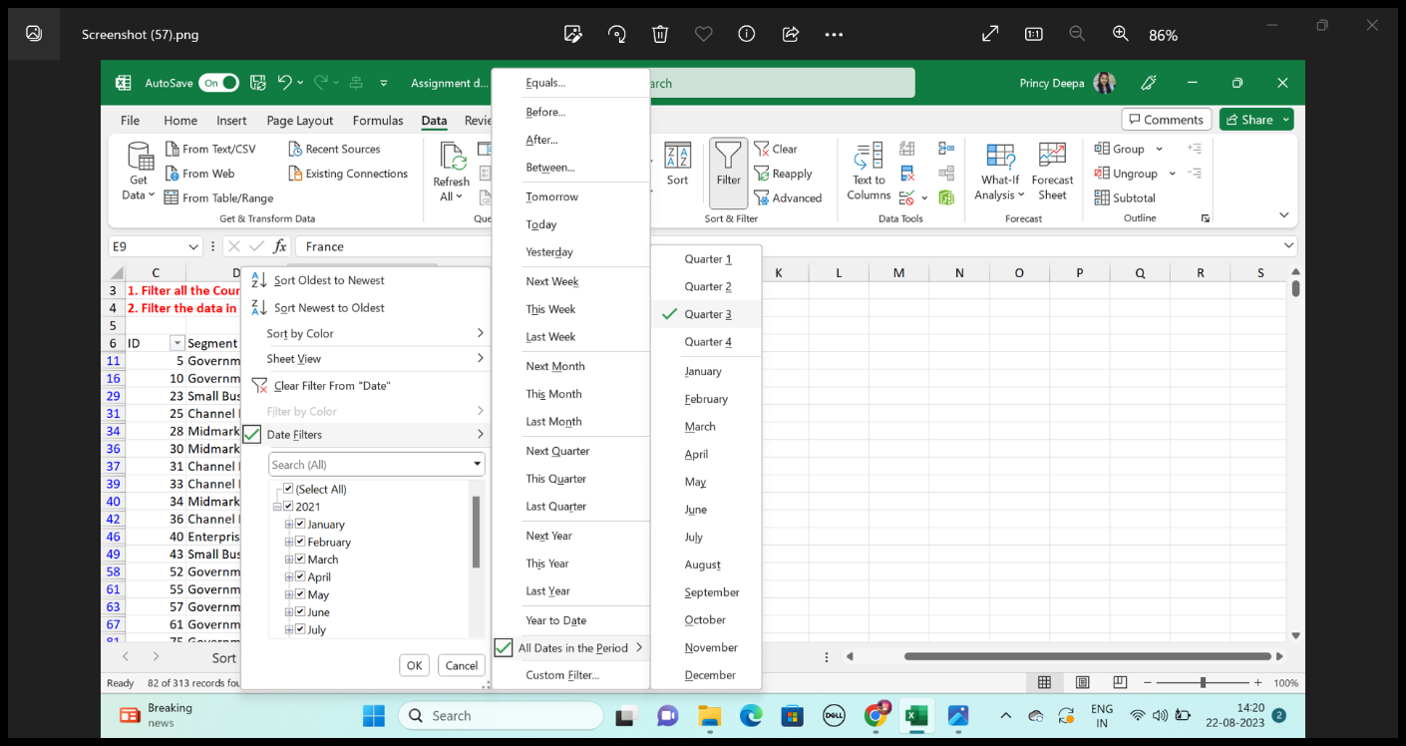
ID | Segment | Country | Date | Profit
5 | Government | France | 2021-09-01 | 135801
10 | Government | United States of America | 2021-07-01 | -34980
23 | Small Business | Mexico | 2021-08-01 | 149617
25 | Channel Partners | France | 2021-09-01 | 60921
28 | Midmarket | Canada | 2021-07-01 | 12909
30 | Midmarket | Canada | 2021-07-01 | 36046
31 | Channel Partners | France | 2021-08-01 | 87532
33 | Channel Partners | Mexico | 2021-09-01 | 242254
34 | Midmarket | France | 2021-07-01 | 57399
36 | Channel Partners | Canada | 2021-08-01 | 55010
40 | Enterprise | Mexico | 2021-08-01 | 86220
43 | Small Business | Germany | 2021-08-01 | 17711
52 | Government | United States of America | 2021-07-01 | 5850
55 | Government | Mexico | 2021-08-01 | 131983
57 | Government | France | 2021-07-01 | 96209
61 | Government | Mexico | 2021-08-01 | 19225
75 | Government | Canada | 2021-07-01 | 7819
76 | Government | United States of America | 2021-09-01 | 193691
77 | Government | United States of America | 2021-07-01 | 229218
81 | Midmarket | Germany | 2021-08-01 | 22746
82 | Midmarket | United States of America | 2021-08-01 | 85536
84 | Channel Partners | United States of America | 2021-07-01 | 152936
85 | Channel Partners | United States of America | 2021-08-01 | 124717
87 | Enterprise | Canada | 2021-08-01 | 99343
99 | Midmarket | France | 2021-09-01 | 147727
100 | Enterprise | France | 2021-08-01 | 109849
102 | Channel Partners | Mexico | 2021-07-01 | 219148
106 | Midmarket | Mexico | 2021-09-01 | 213879
111 | Enterprise | Germany | 2021-07-01 | 36547
113 | Enterprise | France | 2021-07-01 | 26819
115 | Enterprise | Germany | 2021-09-01 | 220591
118 | Small Business | Germany | 2021-08-01 | 102572
119 | Midmarket | Canada | 2021-08-01 | 229197
120 | Enterprise | Germany | 2021-08-01 | 19002
121 | Government | Mexico | 2021-09-01 | 209590
132 | Government | United States of America | 2021-09-01 | 27327
138 | Government | France | 2021-07-01 | 44394
139 | Government | Mexico | 2021-09-01 | 217075
142 | Government | Canada | 2021-08-01 | 217962
145 | Government | Canada | 2021-07-01 | 64755
148 | Government | Mexico | 2021-08-01 | 191733
150 | Government | United States of America | 2021-09-01 | 242971
151 | Government | France | 2021-07-01 | 173616
166 | Enterprise | Canada | 2021-07-01 | 23560
168 | Small Business | France | 2021-07-01 | 185869
187 | Government | United States of America | 2021-08-01 | 67090
188 | Government | United States of America | 2021-09-01 | 13179
192 | Government | Germany | 2021-07-01 | 86843
196 | Government | United States of America | 2021-07-01 | 103592
198 | Government | Mexico | 2021-07-01 | 138473
200 | Government | United States of America | 2021-08-01 | 10877
201 | Midmarket | Mexico | 2021-08-01 | 155980
202 | Enterprise | Germany | 2021-08-01 | 23010
206 | Small Business | Germany | 2021-07-01 | 121986
207 | Channel Partners | France | 2021-09-01 | 258051
211 | Small Business | Germany | 2021-09-01 | 160752
216 | Small Business | United States of America | 2021-08-01 | 110965
223 | Midmarket | Mexico | 2021-08-01 | 78549
232 | Channel Partners | Mexico | 2021-09-01 | 208038
233 | Midmarket | Mexico | 2021-07-01 | 12894
239 | Small Business | Canada | 2021-09-01 | 256402
247 | Government | United States of America | 2021-09-01 | 261354
248 | Government | France | 2021-07-01 | 89802
249 | Government | France | 2021-08-01 | 23250
251 | Government | United States of America | 2021-07-01 | 52513
254 | Government | Canada | 2021-07-01 | 159745
257 | Government | France | 2021-08-01 | 7382
263 | Government | Germany | 2021-09-01 | 200584
264 | Government | Mexico | 2021-07-01 | 235104
265 | Government | Canada | 2021-09-01 | 55991
273 | Enterprise | Canada | 2021-07-01 | 104422
276 | Channel Partners | United States of America | 2021-07-01 | 59920
282 | Small Business | Canada | 2021-08-01 | 216458
288 | Small Business | Mexico | 2021-07-01 | 226327
291 | Small Business | United States of America | 2021-09-01 | 12156
298 | Midmarket | United States of America | 2021-09-01 | 98246
300 | Channel Partners | United States of America | 2021-09-01 | 74093
302 | Enterprise | Mexico | 2021-08-01 | 75634
308 | Midmarket | United States of America | 2021-07-01 | -39689
310 | Channel Partners | United States of America | 2021-07-01 | 252080
311 | Midmarket | France | 2021-07-01 | 176652
313 | Enterprise | Germany | 2021-08-01 | 7269

